SOL
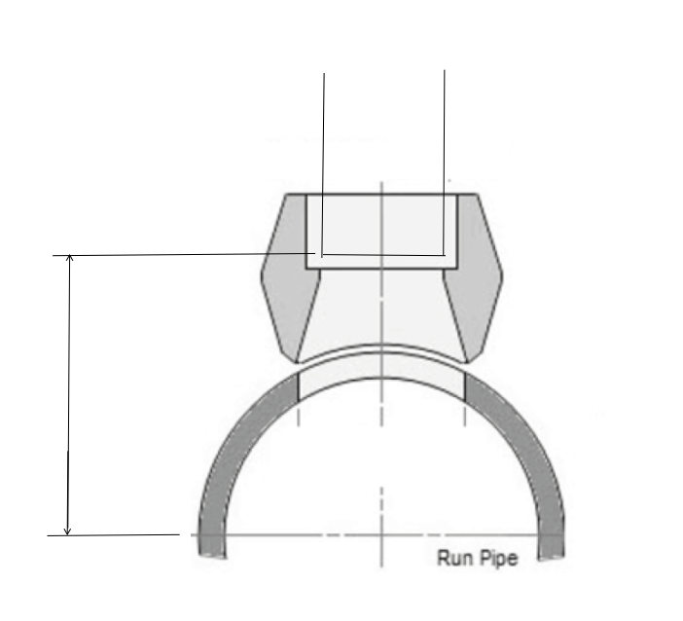
SOCKOLET DIMENSIONS W/GAPS

HDR |  | 3000# SOCKOLET |  |  |  | HDR |  | 6000# SOCKOLET
 | 1/2" | 3/4" | 1" | 1-1/2" | 2 |  | 1/2" | 3/4" | 1" | 1-1/2" | 2
Solo | 13/16 | 13/16 | 1.1/16 | 1.1/8 | 1.1/8 | Solo | 1.1/8 | 1.3/16 | 1.5/16 | 1.7/16 | 1.5/8
2" | 2" | 2" | 2-1/4" | 2-5/16" | 2-5/16" | 2" | 2.5/16" | 2.3/8" | 2.1/2" | 2.5/8" | 2.13/16"
2-1/2" | 2-1/4" | 2-1/4" | 2-1/2" | 2.9/16" | 2.9/16" | 2-1/2" | 2.9/16" | 2.5/8" | 2.3/4" | 2.7/8" | 3.1/16"
3" | 2.9/16" | 2.9/16" | 2-13/16" | 2.7/8" | 2.7/8" | 3" | 2.7/8" | 2.15/16" | 3.1/16" | 3.3/16" | 3.3/8"
4" | 3.1/16" | 3.1/16" | 3-5/16" | 3.3/8" | 3.3/8" | 4" | 3.3/8" | 3.7/16" | 3.9/16" | 3.11/16" | 3.7/8"
5" | 3.5/8" | 3.5/8" | 3-7/8" | 3.15/16" | 3.15/16" | 5" | 3.15/16" | 4" | 4.1/8" | 4.1/4" | 4.7/16"
6" | 4.1/8" | 4.1/8" | 4-3/8" | 4.7/16" | 4.7/16" | 6" | 4.7/16" | 4.1/2" | 4.5/8" | 4.3/4" | 4.15/16"
8" | 5.1/8" | 5.1/8" | 5-3/8" | 5.7/16" | 5.7/16" | 8" | 5.7/16" | 5.1/2" | 5.5/8" | 5.3/4" | 5.15/16"
10" | 6.3/16" | 6.3/16" | 6-7/16" | 6.1/2" | 6.1/2" | 10" | 6.1/2" | 6.9/16" | 6.11/16" | 6.13/16" | 7"
12" | 7.3/16" | 7.3/16" | 7-7/16" | 7.1/2" | 7.1/2" | 12" | 7.1/2" | 7.9/16" | 7.11/16" | 7.13/16" | 8"
14" | 7.13/16" | 7.13/16" | 8-1/16" | 8.1/8" | 8.1/8" | 14" | 8.1/8" | 8.3/16" | 8.5/16" | 8.7/16" | 8.5/8"
16" | 8.13/16" | 8.13/16" | 9-1/16" | 9.1/8" | 9.1/8" | 16" | 9.1/8" | 9.3/16" | 9.5/16" | 9.7/16" | 9.5/8"
18" | 9.13/16" | 9.13/16" | 10-1/16" | 10.1/8" | 10.1/8" | 18" | 10.1/8" | 10.3/16" | 10.5/16" | 10.7/16" | 10.5/8"
20" | 10.13/16" | 10.13/16" | 11-1/16" | 11.1/8" | 11.1/8" | 20" | 11.1/8" | 11.3/16 | 11.5/16" | 11.7/16" | 11.5/8"
24" | 1'-0.13/16" | 1'-0.13/16" | 1'-1 13/16" | 1'-1.1/8" | 1'-1.1/8" | 24" | 1'-1.1/8" | 1'-1.3/16" | 1'-1.5/16" | 1'-1.7/16" | 1'-1.7/16"
30" | 1'-3.13/16" | 1'-3.13/16" | 1'-4 1/16" | 1'-4.1/8" | 1'-4.1/8" | 30" | 1'-4.1/8" | 1'-4.3/16" | 1'-4.5/16" | 1'-4.7/16" | 1'-4.7/16"
36" | 1'-6.13/16" | 1'-6.13/16" | 1'-7.1/16" | 1'-7.1/8" | 1'-7.1/8" | 36" | 1'-7.1/8" | 1'-7.3/16" | 1'-7.5/16" | 1'-7.7/16" | 1'-7.7/16"

